MH Size Estimator
CIRCULAR STRUCTURE SIZING SCHEDULE
 |  |  |  |  |  |  |  |  |  |  |  |  |  |  |  |  |  | User Input
 |  |  |  |  |  |  |  |  |  |  |  |  |  |  |  |  |  | Output
 |  |  |  |  |  |  |  |  |  |  |  |  |  |  |  |  |  | Error
Str No. | Str Dia. | Pipe A |  |  |  |  | Pipe B |  |  |  |  | Angle btw | Min. Arc Length | α | β | φ | Arc Length btw | Structure Sizing **
 |  | Pipe No | Shape | Dia / Span | Dia / Span | Hole Size | Pipe No | Shape | Dia / Span | Dia / Span | Hole Size | Pipes | per IL Tollway |  |  |  | pipe A and pipe B
 |  |  |  | Inside | Outside | O.D. / Span + 4" |  |  | Inside | Outside | O.D. / Span + 4"
 | DMH (FT) |  | Cir or Ellipt | da (IN) | Da (FT) | Pa (FT) |  | Cir or Ellipt | db (IN) | Db (FT) | Pb (FT) | Δ (Deg.) | (FT) | (Deg.) | (Deg.) | (Deg.) | S (FT)
101A | 5 | P101A | Circular | 24 | 2.50 | 2.83 | P102A | Circular | 18 | 1.92 | 2.25 | 80 | 1 | 34.47 | 26.74 | 18.78 | 0.82 | Does Not Meet Requirement
 | 5 | P101A | Elliptical | 24 | 3.04 | 3.38 | P103A | Elliptical | 30 | 3.79 | 4.13 | 180 | 1 | 42.53 | 55.69 | 81.78 | 3.57 | Meets Requirement
102B | 6 | P102B | Circular | 30 | 3.08 | 3.41 | P104A | Circular | 30 | 3.08 | 3.41 | 90 | 1 | 34.63 | 34.63 | 20.73 | 1.09 | Meets Requirement

** Illinois Tollway Guidelines: A minimum of 1.00 feet inside arc length is required between adjacent pipe penetration holes.

Note to Designer: This worksheet is provided as a tool for the Designer to determine the inside arc length between pipe penetration holes. The Designer shall accept the responsibility of the design upon its completion.

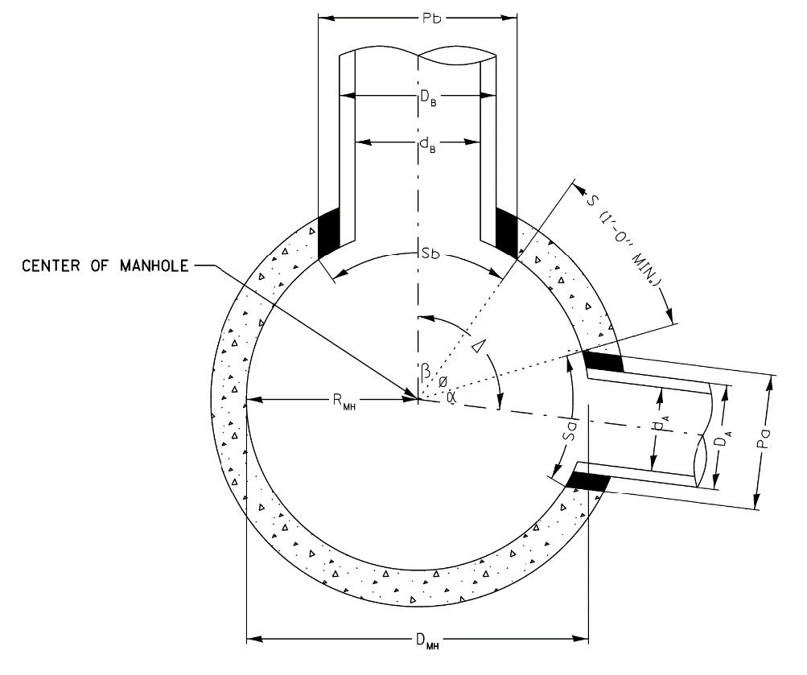
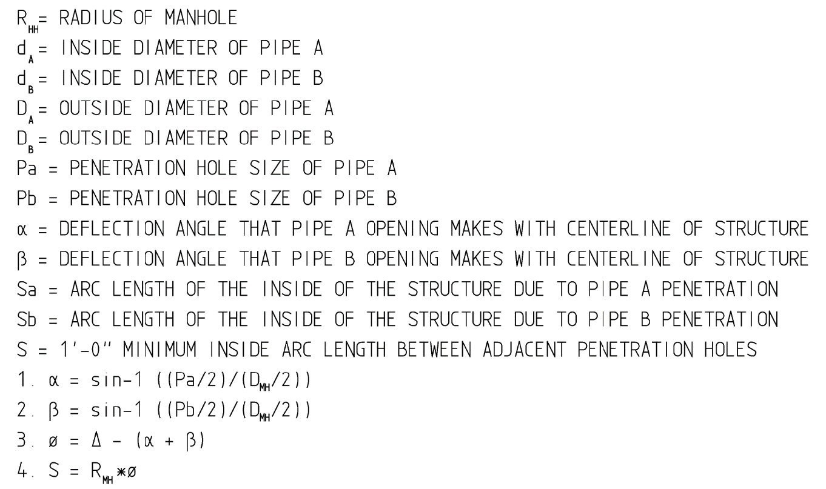

 |  | 0 | 0 | 78 | 8.62 | 9.62 | 0 | 0 | 78 | 8.79 | 9.79

MH % CF Removed
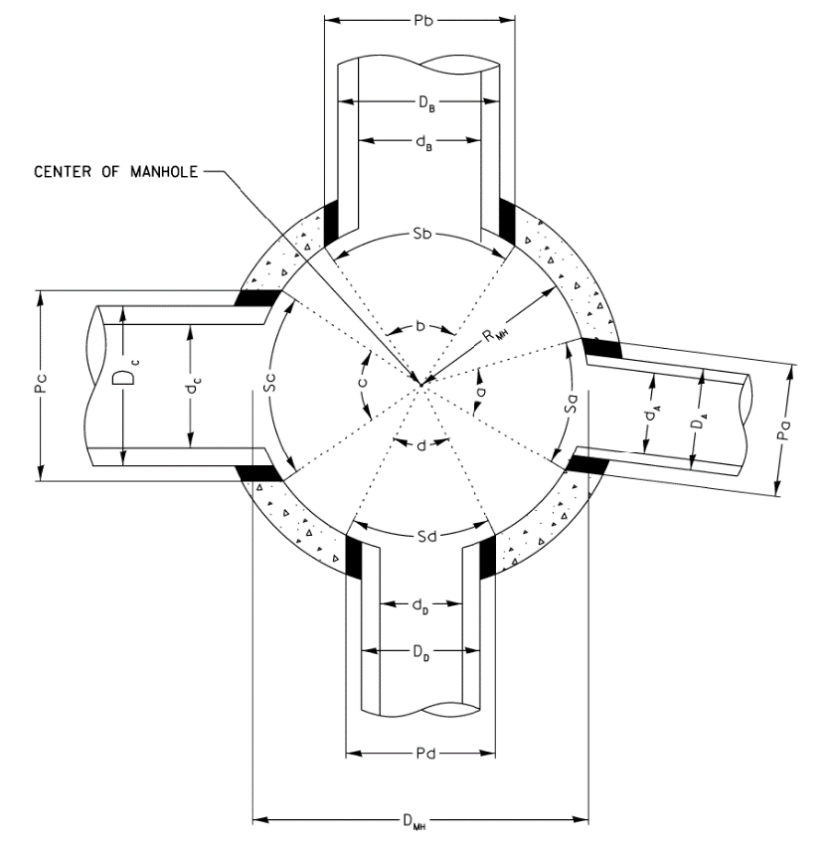
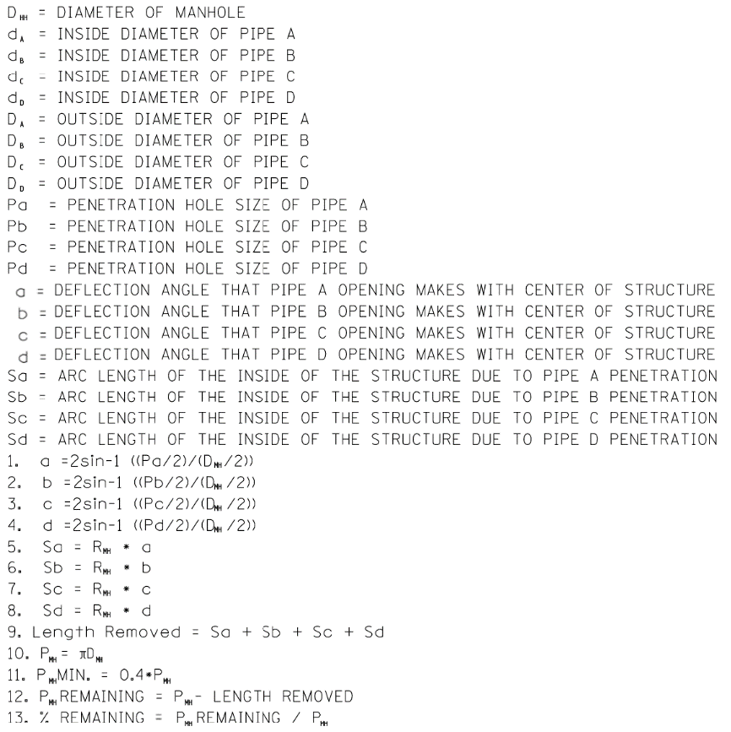
MANHOLE % CIRCUMFERENCE REMOVAL SCHEDULE
 |  |  |  |  |  |  |  |  |  |  |  |  |  |  |  |  |  |  |  |  |  |  |  |  |  |  |  |  |  |  |  | User Input
 |  |  |  |  |  |  |  |  |  |  |  |  |  |  |  |  |  |  |  |  |  |  |  |  |  |  |  |  |  |  |  | Output
 |  |  |  |  |  |  |  |  |  |  |  |  |  |  |  |  |  |  |  |  |  |  |  |  |  |  |  |  |  |  |  | Error
Str No. | Str Dia. | Pipe A |  |  |  |  |  |  | Pipe B |  |  |  |  |  |  | Pipe C |  |  |  |  |  |  | Pipe D |  |  |  |  |  |  | Total
 |  | Pipe No. | Shape | Dia / Span | Dia / Span | Hole Size | Pipe Angle | Arc Length | Pipe No. | Shape | Dia / Span | Dia / Span | Hole Size | Pipe Angle | Arc Length | Pipe No. | Shape | Dia / Span | Dia / Span | Hole Size | Pipe Angle | Arc Length | Pipe No. | Shape | Dia / Span | Dia / Span | Hole Size | Pipe Angle | Arc Length | MH | Total Length | Percentage | MH Sizing **
 |  |  |  | Inside | Outside | O.D. / Span + 4" | a | Sa |  |  | Inside | Outside | O.D. / Span + 4" | b | Sb |  |  | Inside | Outside | O.D. / Span + 4" | c | Sc |  |  | Inside | Outside | O.D. / Span + 4" | d | Sd | Perimeter | Removed | Removed
 | DMH (FT) |  | Cir or Ellipt | da (IN) | Da (FT) | Pa (FT) | (Deg.) | (FT) |  | Cir or Ellipt | db (IN) | Db (FT) | Pb (FT) | (Deg.) | (FT) |  | Cir or Ellipt | dc (IN) | Dc (FT) | Pc (FT) | (Deg.) | (FT) |  | Cir or Ellipt | dd (IN) | Dd (FT) | Pd (FT) | (Deg.) | (FT) | PMH (FT) | (FT) | %
101A | 8 | P101A | Circular | 42 | 4.25 | 4.58 | 69.85 | 4.88 | P102A | Circular | 18 | 1.92 | 2.25 | 32.67 | 2.28 | P103A | Circular | 24 | 2.50 | 2.83 | 41.43 | 2.89 | P103B | Circular | 30 | 3.08 | 3.41 | 50.46 | 3.52 | 25.13 | 13.57 | 54% | Meets Requirement
102B | 5 | P102B | Elliptical | 24 | 3.04 | 3.38 | 85.06 | 3.71 | P104A | Elliptical | 30 | 3.79 | 4.13 | 111.38 | 4.86 |  |  |  | #N/A | #N/A | 0.00 | 0.00 |  |  |  | #N/A | #N/A | 0.00 | 0.00 | 15.71 | 8.57 | 55% | Meets Requirement

** Illinois Tollway Guidelines: A maximum of 60 percent of the inside perimeter of the reinforced concrete manhole walls may be removed.

Note to Designer: This worksheet is provided as a tool for the Designer to determine the % circumference removal of circular structures. The Designer shall accept the responsibility of the design upon its completion.

Catch Basins Type G
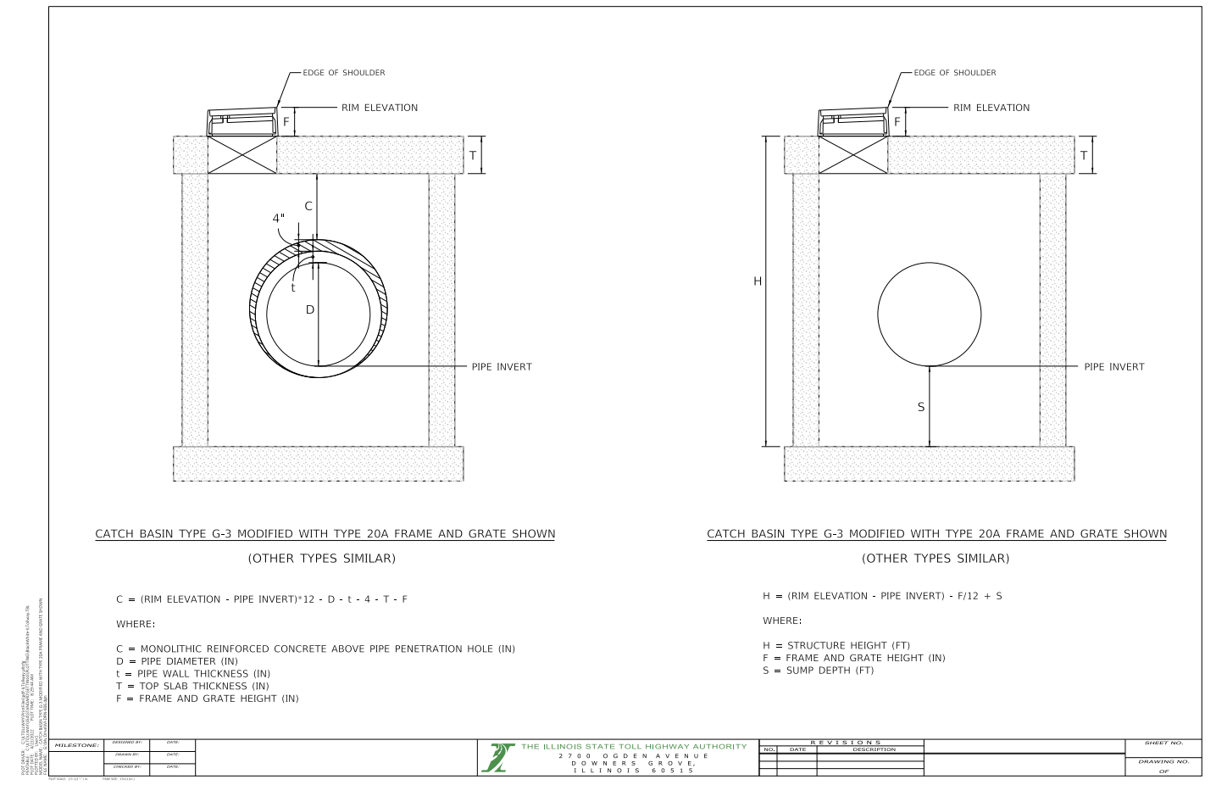

Illinois Tollway Guidelines:
1. For Catch Basins Type G, a minimum of 9" of monolithic reinforced concrete (C) shall be maintained above pipe penetration holes >15".
2. For Catch Basins Type G, a maximum structure height (H) of 9 ft shall be permitted.

Note to Designer: This worksheet is provided as a guideline for the Designer to determine the height of monolithic reinforced concrete (C) above the pipe penetration holes and structure height (H). The Designer shall accept the responsibility of the design upon its completion.

